Sheet1
Logistic mapping demonstrates periodic doubling (Mitchell Feigenbaum) as r moves from 1 to lim 4. Deterministic chaos (sensitivity to initial condition) is evidenced as r approaches 4
r value | iteration | initial condition | finish | Logistic mapping is used by computers to generate pseudo-random numbers
3 | 0 | 0.251 | 0.563997
times series function
 | 1 | 0.563997 | 0.73771315197
 | 2 | 0.73771315197 | 0.58047737214 |  | CLICK GRAPH TO RUN CODE

 | 3 | 0.58047737214 | 0.73057017772
 | 4 | 0.73057017772 | 0.59051217944
 | 5 | 0.59051217944 | 0.72542263612
 | 6 | 0.72542263612 | 0.59755390537
 | 7 | 0.59755390537 | 0.72144970664
 | 8 | 0.72144970664 | 0.60288008229
 | 9 | 0.60288008229 | 0.71824706601
 | 10 | 0.71824706601 | 0.60710465454
 | 11 | 0.60710465454 | 0.71558577893
 | 12 | 0.71558577893 | 0.61056831577
 | 13 | 0.61056831577 | 0.71332394264
 | 14 | 0.71332394264 | 0.61347868649
 | 15 | 0.61347868649 | 0.71136776314
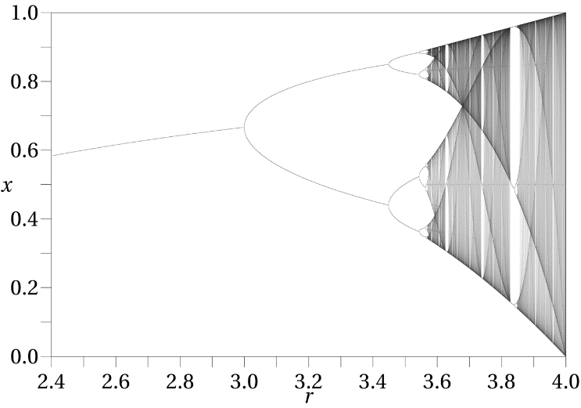
 | 16 | 0.71136776314 | 0.61597100612
 | 17 | 0.61597100612 | 0.70965217722
 | 18 | 0.70965217722 | 0.61813789376
 | 19 | 0.61813789376 | 0.70813031417
 | 20 | 0.70813031417 | 0.62004531697
 | 20 | 0.62004531697 | 0.70676736562
 | 20 | 0.70676736562 | 0.62174176954
 | 20 | 0.62174176954 | 0.70553682465
 | 20 | 0.70553682465 | 0.62326384114
 | 20 | 0.62326384114 | 0.7044180764
 | 20 | 0.7044180764 | 0.62463975012
 | 20 | 0.62463975012 | 0.70339479807
 | 20 | 0.70339479807 | 0.62589166835
 | 20 | 0.62589166835 | 0.70245386352
 | 20 | 0.70245386352 | 0.62703729944
 | 20 | 0.62703729944 | 0.70158457365
 | 20 | 0.70158457365 | 0.628090979
 | 20 | 0.628090979 | 0.7007781033
 | 20 | 0.7007781033 | 0.62906445971
 | 20 | 0.62906445971 | 0.70002709572
 | 20 | 0.70002709572 | 0.62996748293
 | 20 | 0.62996748293 | 0.69932536014
 | 20 | 0.69932536014 | 0.63080820241
 | 20 | 0.63080820241 | 0.69866764254
 | 20 | 0.69866764254 | 0.63159350342
 | 20 | 0.63159350342 | 0.69804944957
 | 20 | 0.69804944957 | 0.63232924657
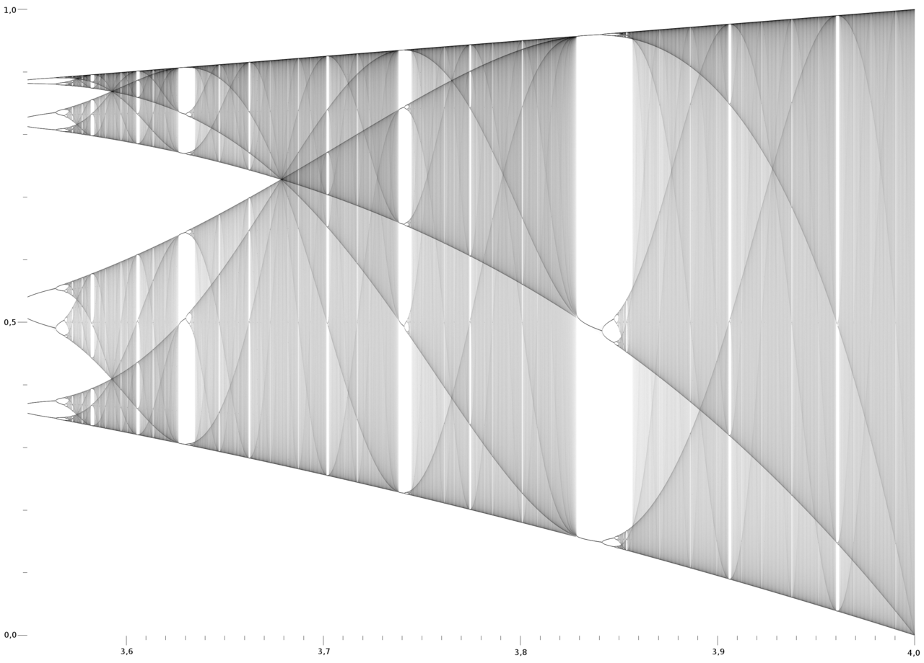
 | 20 | 0.63232924657 | 0.69746691151
 | 20 | 0.69746691151 | 0.63302045658
 | 20 | 0.63302045658 | 0.69691667439
 | 20 | 0.69691667439 | 0.63367147004
 | 20 | 0.63367147004 | 0.69639581429
 | 20 | 0.69639581429 | 0.63428605238
 | 20 | 0.63428605238 | 0.69590176841
 | 20 | 0.69590176841 | 0.63486749141
 | 20 | 0.63486749141 | 0.69543227929
 | 20 | 0.69543227929 | 0.63541867264
 | 20 | 0.63541867264 | 0.6949853493
 | 20 | 0.6949853493 | 0.63594214067
 | 20 | 0.63594214067 | 0.69455920317
 | 20 | 0.69455920317 | 0.63644014939
 | 20 | 0.63644014939 | 0.6941522569
 | 20 | 0.6941522569 | 0.63691470342
 | 20 | 0.63691470342 | 0.69376309197
 | 20 | 0.69376309197 | 0.63736759258
 | 20 | 0.63736759258 | 0.69339043353
 | 20 | 0.69339043353 | 0.63780042066
 | 20 | 0.63780042066 | 0.6930331322
 | 20 | 0.6930331322 | 0.63821462962
 | 20 | 0.63821462962 | 0.69269014848
 | 20 | 0.69269014848 | 0.63861152004
 | 20 | 0.63861152004 | 0.69236053954
 | 20 | 0.69236053954 | 0.63899226849
 | 20 | 0.63899226849 | 0.6920434479
 | 20 | 0.6920434479 | 0.63935794235
 | 20 | 0.63935794235 | 0.69173809171
 | 20 | 0.69173809171 | 0.63970951256
 | 20 | 0.63970951256 | 0.6914437563
 | 20 | 0.6914437563 | 0.64004786452
 | 20 | 0.64004786452 | 0.69115978693
 | 20 | 0.69115978693 | 0.64037380759
 | 20 | 0.64037380759 | 0.69088558243
 | 20 | 0.69088558243 | 0.64068808326
 | 20 | 0.64068808326 | 0.69062058969
 | 20 | 0.69062058969 | 0.64099137236
 | 20 | 0.64099137236 | 0.69036429876
 | 20 | 0.69036429876 | 0.64128430128
 | 20 | 0.64128430128 | 0.69011623864
 | 20 | 0.69011623864 | 0.64156744742
 | 20 | 0.64156744742 | 0.6898759735
 | 20 | 0.6898759735 | 0.64184134407
 | 20 | 0.64184134407 | 0.68964309934
 | 20 | 0.68964309934 | 0.64210648462
 | 20 | 0.64210648462 | 0.68941724109
 | 20 | 0.68941724109 | 0.64236332634
 | 20 | 0.64236332634 | 0.68919804994
 | 20 | 0.68919804994 | 0.64261229369
 | 20 | 0.64261229369 | 0.68898520106
 | 20 | 0.68898520106 | 0.64285378134
 | 20 | 0.64285378134 | 0.68877839147
 | 20 | 0.68877839147 | 0.64308815674
 | 20 | 0.64308815674 | 0.6885773382

